Location Plan & Summary
Intelligent Data Collection Limited

Client: | Bristol County Council |  | Date of Survey: |  | 09.07.2015
Project Number: | ID02343 |  | Site Name: |  | Mivart Street
Site Number: | ATC Site 3 |  | Survey Type: |  | Two-way Link Count

X Coordinate |  | Y Coordinate |  | Google Maps Link
51.468373 |  | -2.563003 |  | Click Here
AM Peak Conditions |  | Inter-Peak Conditions |  | PM Peak Conditions
Clear and Sunny |  | Clear and Sunny |  | Clear and Sunny
Junction Layout

N

 |  | Arm A - Mark's Road (W)

 |  |  |  |  |  | Arm B - Belle Vue Road (E)

Aerial Mapping and On-site Camera View
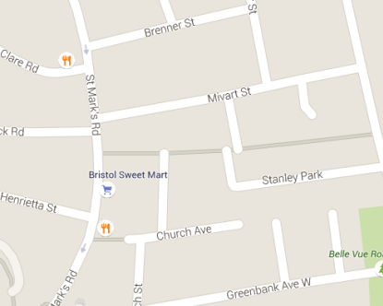
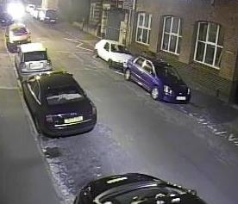
Arm B - Belle Vue Road (E)

Arm A - Mark's Road (W)

Junction Flow Profile
Arm Approach Flows (All Vehicles)
 | A to B (Eastbound) | B to A (Westbound) | Two-way Total
7:00:00 | 3 | 7 | 10
7:15:00 | 0 | 13 | 13
7:30:00 | 2 | 20 | 22
7:45:00 | 3 | 23 | 26
8:00:00 | 3 | 11 | 14
8:15:00 | 4 | 25 | 29
8:30:00 | 3 | 20 | 23
8:45:00 | 8 | 23 | 31
9:00:00 | 3 | 21 | 24
9:15:00 | 4 | 15 | 19
9:30:00 | 5 | 16 | 21
9:45:00 | 3 | 17 | 20
10:00:00 | 3 | 11 | 14
10:15:00 | 5 | 12 | 17
10:30:00 | 1 | 8 | 9
10:45:00 | 4 | 10 | 14
11:00:00 | 5 | 9 | 14
11:15:00 | 5 | 10 | 15
11:30:00 | 7 | 11 | 18
11:45:00 | 4 | 12 | 16
12:00:00 | 5 | 8 | 13
12:15:00 | 4 | 10 | 14
12:30:00 | 6 | 12 | 18
12:45:00 | 12 | 19 | 31
13:00:00 | 5 | 10 | 15
13:15:00 | 5 | 16 | 21
13:30:00 | 7 | 16 | 23
13:45:00 | 7 | 17 | 24
14:00:00 | 8 | 14 | 22
14:15:00 | 6 | 16 | 22
14:30:00 | 2 | 12 | 14
14:45:00 | 5 | 9 | 14
15:00:00 | 10 | 10 | 20
15:15:00 | 9 | 9 | 18
15:30:00 | 8 | 16 | 24
15:45:00 | 6 | 16 | 22
16:00:00 | 4 | 17 | 21
16:15:00 | 9 | 16 | 25
16:30:00 | 4 | 14 | 18
16:45:00 | 10 | 15 | 25
17:00:00 | 11 | 16 | 27
17:15:00 | 16 | 17 | 33
17:30:00 | 5 | 15 | 20
17:45:00 | 9 | 12 | 21
18:00:00 | 4 | 14 | 18
18:15:00 | 10 | 15 | 25
18:30:00 | 10 | 12 | 22
18:45:00 | 9 | 14 | 23

Additional Notes (Factors which may impact on survey results such as accidents, roadworks, special events):

